General Calc's
 |  |  |  | Pete's General Calc's. |  |  |  |  |  |  |  |  |  |  | Version 1.0

 |  |  |  | Denotes an "editable" cell, add your own data.
General Converters
 | Volume Converters | US Gall. | Litre | UK Gall. |  |  | Litre | US Gall. | UK Gall. |  |  | Litre | UK Gall. | US Gall.
 | 6 US galls = 5 UK galls ≈ 22.7 litres | 6.076 | 23 | 5.059 |  |  | 18.942 | 5 | 4.167 |  |  | 22.730 | 5 | 6.000
 | 5 US gallons ≈ 18.9 litres
 | 1 UK pint = 20 fl oz ≈ 568ml | US Pt. | Litre | UK Pt. |  |  | Litre | US Pt. | UK Pt. |  |  | Litre | UK Pt. | US Pt.
 | 1 UK ̸ Euro. litre = 1 US liter | 2.112 | 1 | 1.760 |  |  | 22.730 | 48 | 40.000 |  |  | 22.730 | 40 | 48.000

 | Weight Converters | g | Wt. | lb |  |  | Wt. g | oz OR lb OR lb oz
 | 1Kg ≈ 0.4536 lb | 2948.354 | 6.5 | 14.330 |  |  | 1000 | 35.27 | 2.20 | 2 lb 3.27 oz

 |  | Kg | Wt. | lb |  |  | g | Wt. | oz |  |  | lb | oz | Wt. g OR Wt. Kg
 |  | 1.814 | 4 | 8.818 |  |  | 708.737 | 25 | 0.882 |  |  | 2 | 8 | 1134 | 1.134

 |  | lb | oz | lb oz |  |  | oz | lb oz |  |  |  | lb | oz | lb
 |  | 1 | 16.00 | 1 lb 0.00 |  |  | 20.00 | 1 lb 4.00 oz |  |  |  | 2 | 8 | 2.5

Weight & Volume Converters |  |  |  |  |  |  |  |  |  |  |  | ALWAYS WORK ON A COPY OF THIS SPREADSHEET
 |  | Vol. 1 | Wt. 1 | Vol. 2 | Wt. 2 |  | Wt. 1 | Vol. 1 | Wt. 2 | Vol. 2
 |  | 23 | 2300 | 19 | 1900 |  | 2300 | 19 | 2200 | 18.2

 | Wt. ̸ Vol. Conversion | Kg ̸ litre | Wt. ̸ Vol. | lb ̸ gall. UK |  |  | g ̸ litre | Wt. ̸ Vol. | oz ̸ pt. UK |  |  | ml | Fluid | fl oz UK
 |  | 0.100 | 1 | 10.02 |  |  | 49.90 | 1 | 0.020 |  |  | 28.41 | 1 | 0.035

 | & US | Kg ̸ litre | Wt. ̸ Vol. | lb ̸ gall. US |  |  | g ̸ litre | Wt. ̸ Vol | oz ̸ pt US |  |  | ml | Fluid | fl oz US
 |  | 0.12 | 1 | 8.345 |  |  | 59.91 | 1 | 0.017 |  |  | 29.57 | 1 | 0.034
 |  |  |  |  |  |  | 1 g ̸ litre = 0.017 oz ̸ pt US
 |  |  |  |  |  |  | 1 oz ̸ pt US = 59.91 g ̸ litre |  |  |  |  | fl oz Imp | fl oz | fl oz US
 |  |  |  |  |  |  |  |  |  |  |  | 1.041 | 1 | 0.961

OG Correction For Wines/Beers etc.
 |  | Present OG |  | OG required |  | Present Vol. (litres) |  | Topping Up Vol. (litres) |  | New Vol. (litres) |  | The "Present OG" must be equal to or higher than the "OG required"
 |  | 1080 |  | 1070 |  | 4.3 |  | 0.61 |  | 4.91
 |  | All gravites are assumed to be at room temp. or compensated for.

SG ̸ Vol. Converter
 |  | For an SG of |  | 1080 | & an initial volume of |  | 4.3 | litres, is eqiuvalent to SG 1070.1 for |  |  | 4.91 | litres when DILUTED.

 | Temperature Converter | °C | Deg | °F
 |  | -6.7 | 20 | 68

UK Proof & % Converters |  |  |  |  |  |  |  |  |  |  |  | UK ̸ US Proof Converters
 |  | % ABV | UK° | % ABW |  |  | % ABV | US° | % ABW |  |  | UK° | Proof | US°
 |  | 40.0 | 70 | 34.5 |  |  | 40.0 | 80 | 34.5 |  |  | 61.25 | 70 | 80

 | ABV ̸ Proof converter | % ABV | % ABW | UK° | US° |  |  |  | ABW ̸ Proof converter |  |  | % ABW | % ABV | UK° | US°
 |  | 3.4 | 2.7 | 6.0 | 6.8 |  |  |  | (Note: these calc's are approx.) |  |  | 100 | 100 | 175.0 | 200.0

 | Proof max. UK 175° ̸ USA 200°. All temperatures are assumed to be at around 20°C. Just try other calc's for 100% ABV or 100% ABW! (BUT, to me, 100% ABV implies 100% ABW.)

SG to % ABV Calculators
 |  | Simple ABV Estimator |  |  |  |  |  |  | °C | Original Gravity |  | °F
 |  | Original Gravity |  | 1170 |  |  |  |  | 20 | Calibration Temp. |  | 68 | Calibration temperatures & wort/must temperatures are taken into account for all SG readings.
 |  | Final Gravity |  | 993 |  |  |  |  | 20 | Liquid Temp. |  | 70
 |  | % ABV (approx) |  | 24.89 |  |  |  |  | 1040 | OG Measured |  | 1040
 |  | Temperatures are NOT taken into considaration in these two calc's. |  |  |  |  |  |  | 1040.0 | OG Corrected |  | 1040.2
 |  |  |  |  |  |  |  |  | °C | Final Gravity |  | °F
 |  |  |  |  |  |  |  |  | 20 | Calibration Temp. |  | 68
 | Using the simpler "brewers degrees" |  |  |  | Using the simpler `brewers degrees` - equal to (SG-1000)°. Example: a SG of 993 is represented by (993-1000 ) = -7° |  |  |  | 20 | Liquid Temp. |  | 70
 |  | Original Gravity |  | 170 |  |  |  |  | 1010.5 | FG Measured |  | 1010.5
 |  | Final Gravity |  | -7 |  |  |  |  | 1010.5 | FG Corrected |  | 1010.7
 |  | % ABV (approx) |  | 24.89 |  |  |  |  | 3.88% | ABV (approx.) |  | 3.88%

Hydrometer Temperature Correction |  |  |  |  |  |  |  | OR | using the simpler "brewers degrees"
 |  |  |  | °C | °F |  |  |  |  |  | °C | °F | This is mainly used for beers.
 |  | Calibration Temp. |  | 20 | 68 |  |  |  | Calibration Temp. |  | 20 | 68
 |  | Wort ̸ Must Temp. |  | 24 | 75.2 |  |  |  | Wort ̸ Must Temp. |  | 24 | 75.2
 |  | Measured Gravity |  | 1079 | 1079 |  |  |  | Measured Gravity |  | 79 | 79
 |  | Corrected Gravity |  | 1079.90 | 1079.90 |  |  |  | Corrected Gravity |  | 79.90 | 79.90

°Brix, Plato, Balling & Baumé |  |  |  |  |  |  |  | OR | using the simpler "brewers degrees"
(°Bx, P, B & Bé) |  | SG | °Brix ̸ Plato ̸ Balling |  | °Baumé | Temperatures of around 20°C are assumed. |  |  | SG | °Brix ̸ Plato ̸ Balling |  | °Baumé
 |  | 1080 | 19.33 |  | 10.75 |  |  |  | 80 | 19.33 |  | 10.75
 |  | 1020.07 | 5.1 |  | 2.86 |  |  |  | 20.07 | 5.1 |  | 2.86
 |  | 1063.76 | 15.62 |  | 8.7 |  |  |  | 63.76 | 15.62 |  | 8.7
 | Brix, Plato & Balling are scales of sweetness based on sucrose solutions & they give very similar results, to within a few decimal places & therefore can be assumed to be the same for our purposes. The minimum amount of "sugar" that can be added is zero, hence the minimum value of the three scales is also zero.
 |  |  |  |  |  |  |  |  | Refractometer Calibration
 |  |  |  |  |  |  |  |  | Calibrated Hydrometer Reading |  |  | 1079
 |  |  |  |  |  |  |  |  | Refractometer Reading (°Brix) |  |  | 21
 | Generally, 1°P is considered as 1004 (or just 4 brewers degrees) SG. |  |  |  |  |  |  |  | Corrected Reading (°Brix) |  |  | 23.08

Priming Sparkling Wines, Ciders, Meads & Beers & Their Associated Pressures
 |  | Vol. | Brew ̸ resting temp. |  | Sugar added to |  | Pressure |  | Where 1 level 5ml tsp sugar = |  |  | 3.15 | g
 |  | CO2 ̸ litre | °C | °F | 8.10 | 35.48 | (Approx.) |  |  | Sugar weight ̸ vol.
 |  | 3 | 20 | 68.0 | 1000 | ml | 35.5 PSI |  |  | Wt. g | Unit | tsp
 |  | Max. | A max. temp. of 30°C |  | = 8.10 | g | OR 2.41 Atm. |  |  | 3.15 | 1 | 0.317
 |  | 4 rec. | is catered for. |  | = 2.57 level 5ml tsp |  | OR 2.45 Bar |  |  | 1 g sugar = 0.317 tsp
 |  |  |  |  |  |  |  |  |  | 1 tsp sugar = 3.15 g
 | Alternatively | For a temperature of |  | 20 | °C (68.0°F)
 |  | Priming sugar used |  | 8.1 | g ̸ litre giving a carbonation value of 3.00 Vol's CO2.
 |  | This is equivalent to |  | 2.57 | level 5ml tsp ̸ litre.
 |  | OR, for a |  | 750 | ml for a bottle use 6.08g or 1.93 level 5ml tsp. per bottle.

BMI Calculator Waist to Height Ratio Calculator |  |  |  |  |  |  |  |  |  |  |  | Length ̸ Height Conversions
 |  | METRIC | IMPERIAL |  |  | #REF! |  | METRIC | IMPERIAL |  |  | ft. | in. | in. only | cm
 | Height | cm | ft. | in |  |  |  | cm | ft. | in |  | 5 | 9.5 | 69.5 | 176.5
 |  | 175 | 5 | 9 |  | Waist measurement |  | 90 | Fatty! | 33 |  | OR |  |  | k | 0.262
 | Weight | Kg | st | lb |  | Height |  | 170 | 5 | 7 |  | cm | in. only | ft. in. | 0 | 1.713
 |  | 75 | 11 | 7 |  | Ratio (Women) |  | 52.9 |  | 49.3 |  | 176.5 | 69.5 | 5` 9.5" | 1 | 1.646
 | BMI (Body Mass Index) = | 23.0 | 23.8 |  |  | Ratio (Men) |  | 52.9 |  | 49.3 |  |  |  |  | 2 | 1.584
...
 | Original Vol. (after racking) | 9 | litres | 4 | 5 | 5 | vol. used inc. any top-up water |  |  | "New" Vol. |  | 9.00 | litres (Vol. 1 + Vol. 3)
 | Original Gravity | 1080 |  |  |  |  | =(-0.0684226,POWER(D66,-1.55082))),1) |  |  | "New" S. G. |  | 993.0 | approx.
 | Final Gravity | 993 |  | 993 | 993 | 993.0 | calc. |  |  | Priming sugar added |  | 0 | g ̸ litre, equivalent to 0.00 tsp
 | % ABV (approx.) | 11.7 | calc. | 11.7 | 11.7 | 0 | % assumed (0 nominally) |  |  | "New" brew % ABV |  | 5.19 | calc.
 | Split the racked wine'cider ̸beer into two parts, "Vol. 1" & "Vol. 2". Heat "Vol. 2" for 25-30 mins at a temperature of between 80-85°C (ethyl alcohol boils at about 78°C). After heating this reduced vol. becomes "Vol. 3" which may be topped-up as required .When cool, mix the wines/ciders, prime as required & bottle.

 | Note:- Reducing any sugar in the recipe would be the much better option, but not the primer.

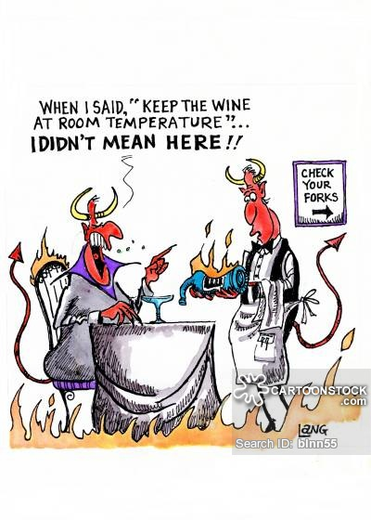
Some Typical Serving Temperatures. |  |  |  |  |  |  |  |  | Notes
 | Wine /Cider Style | Temp. °C
 | Standard Room Temperature | 20 |  |  |  |  |  |  |  | 78.94 | 78.94 | 1
 | Storage (Cellar) Temperature | 13-17 |  |  |  |  |  |  |  | 31.576 | 91.576 | 0.8620162488
 |  |  |  |  |  |  |  |  |  | 31.576 | 91.576 | 0.8620162488
 | Full Bodied Red Wines | 16-18 |  |  |  |  |  |  |  |  |  | 100.000
 | Medium Bodied Red Wines | 13-16 |  |  |  |  |  |  |  | 2.68396 | 99.28396 | 0.79509318524
 | Red Sparkling Wines | 10-14
 |  |  |  |  |  |  |  |  |  | 69 | in = cm | 175.26
 | Rosé Light Bodied Red Wines | 10-16 |  |  |  |  |  |  |  | 161 | lb = Kg | 730940.0
 | Rosé Sparkling Wines | 8-12

 | Full Bodied White Wines | 12-16
 | Medium Bodied White Wines | 10-12 |  |  |  |  |  |  |  |  | #REF!
 | Full Bodied Dessert Wines | 8-12
 | Light Bodied Dry White Wines | 7-11
 | White Sparkling Wines | 6-10
 | Light Bodied Dessert Wines | 6-11

 | Proper Ciders | 12-16
 | Most Commercial Ciders | V. Cold

 | NOTE:- All temperatures are given in °Celsius. As stated, these are only typical values, some wines may indeed have a different ideal temperatures ranges.

Disclaimer: E&OE. No responsibility is assumed or implied as a result of using this spreadsheet. Free for use. Not for sale. |  |  |  |  |  |  |  |  |  |  |  |  | Copyright Peter J. Laycock 28~10~'24

Wine & Cider Calc
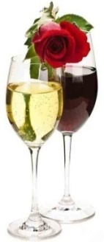
...
 |  |  | SUMMARY FOR THE FINISHED WINE ̸ CIDER ETC. |  |  | Name:- | Rosé
 |  |  | O.G. | 1072.3 | April fool! | ALCOHOL | 10.4 | % ABV OR, = 10.4% ABV after priming with 0.00g (0.00 level 5ml tsp) sugar per 750ml bottle.
 |  |  | F.G. (Before sweetening) | 994.3 |  | ACIDITY | 0.58 | % (expressed in terms of the tartaric equivalent)
 |  |  | F.G. (After sweetening) | 994.3 |  | TANNIN | 0.01 | %
 |  |  | Final ̸effective starting volume | 4.5 | ̸ 4.80 litres | STYLE | Dry ̸ 1
 |  |  |  |  | ↑ This latter figure includes pulp, lees, syphoning losses & an allowance for any sweetening ̸ priming sugars used for that "Final Vol".
 | The "Mat. Time" is the minimum bulk Maturation Time in MONTHS for that ingredient.
Primary Ferment (Days) | Mat. Time | Assumed Wastage | FRUIT |  | Wt. |  |  | OTHER ADDED INGREDIENTS
 |  |  |  |  | g
7 | 9 | 15% | APPLE | EATING
7 | 9 | 15% | " | COOKING
7 | 9 | 18% | " | CRAB
7 | 9 | 12% | APRICOT | FLESH
7 | 9 | 74% | " | DRIED
N ̸ A | 9 | 15% | BANANA - NO SKINS! | FLESH
N ̸ A | 9 | 95% | " | DRIED
5 | 6 | 13% | BILBERRY | -
...

Jame's Acid Calc
 | James' Acid Calculator |  |  |  |  |  | Version 1.0

Some Typical Wine Parameters
Wine Type | Dry White Table | Dry Red Table | Rose Table | Sweet White | Sweet Red | Dessert (Fruit) | Dessert (Port)
% Acid of Must (As Tartaric Acid) | 0.35 - 0.55 | 0.35 - 0.5 | 0.45 - 0.6 | 0.35 - 0.6 | 0.25 - 0.5 | 0.4 - 0.5 | 0.25 - 0.35
% Acid of Finished Wine (As Tartaric Acid) | 0.50 - 0.70 | 0.50 - 0.65 | 0.60 - 0.75 | 0.5 - 0.75 | 0.40 - 0.65 | 0.55 - 0.65 | 0.40 - 0.50

Insert your own figures
Calculated Values

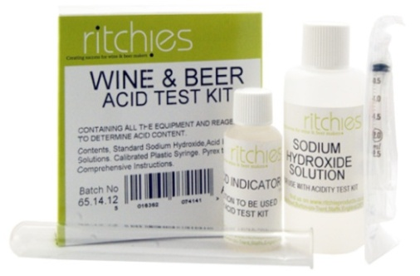
Adjusting Acidity Following Titration
Strength of NaOH | 0.1 | M
ml of wine / must tested | 5 | ml
Volume of wine / must | 4700 | ml
ml of NaOH used to neutralise wine / must | 4 | ml
Desired acidity of wine (as % tartaric) | 0.65 | %
Acidity as % sulphuric acid | 0.39 | %
Acidity as % tartaric acid | 0.60 | %

To Increase Acidity to Desired Level Add
Tartaric Acid OR | 2.35 | g
Citric Acid OR | 2.01 | g
Malic Acid | 2.10 | g

To Decrease Acidity to Desired Level Add
Precipitated Chalk (CaCO3) | -1.57 | g
Potassium Bicarbonate (KHCO3) | -3.13 | g
Sodium Bicarbonate (NaHCO3) | -2.63 | g

From using the "YoBrew Wine Calculator" winemakers are able to design wines of a target acidity with a great level of accuracy as long as the acidity of the ingredients is known. When the acidity is not known it can be measured. By carrying out an acidity test titration using a testing kit, the user can measure the acidity of ingredients and enter the resulting value into the "YoBrew Wine Calculator" for that ingredient. Alternatively you can enter a desired acidity level (as % tartaric acid) and measure the acidity of a must or wine. The Acid Calculator will then tell you how much of an acid or alkali needs to be added to obtain your desired level.
Using the Acid Check Calculator
The boxes in yellow are set up to allow the user to insert their own values. The default values are set up to make 4.7L wine, using the Ritchie's Acid Test Kit which comes with a 0.1M concentration sodium hydroxide solution, testing a 5ml sample of must / wine. These values can be amended to suit.
You also need to insert your desired acidity (as % tartaric) and the volume of sodium hydroxide titrated during your test. Once the above information is entered, the quantities of acid or alkali required to meet your desired acidity will be given.

NOTES:-
...

Cocktail Calc
...
Cals ̸ | Carbs ̸ | Notes:-
100ml | 100ml
74 | 17.2
110 | 16
48 | 12
58 | 14.6
...
Cals ̸ | Carbs ̸ | Notes:-
100ml | 100ml
160 | 50
...
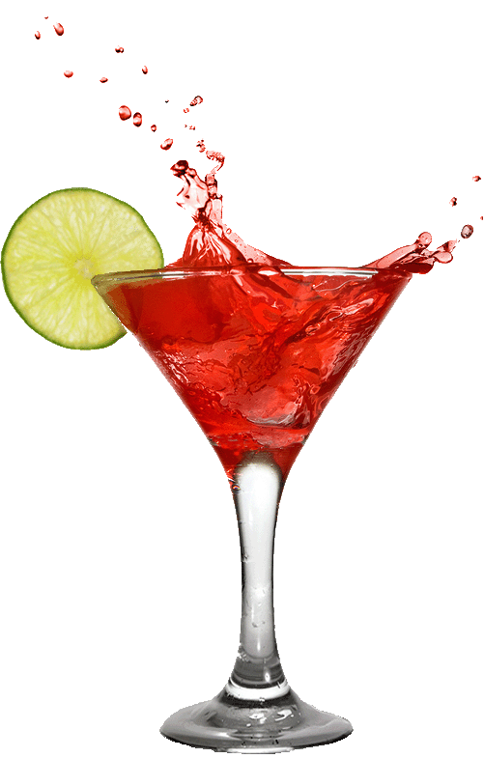
...
Cals ̸ | Carbs ̸ | Notes:-
100ml | 100ml
21 | 4
38 | 10.1
...
Cals ̸ | Carbs ̸ | Notes:-
100ml | 100ml
100 | 20
Cals | Carbs | Vol. (ml)
...
Cals ̸ | Carbs ̸ | Notes:-
100ml | 100ml
63 | 0.003 | 50
16 | 0.002 | 30
...
Cals ̸ | Carbs ̸ | Notes:-
100ml | 100ml
0 | 0
0 | 0 | Hello cheeky!
23 | 23 | 0.0 | (ignoring the density)
...
Cals ̸ | Carbs ̸ | Notes:-
100ml | 100ml
 |  |  | Copyright Peter J. Laycock 28~10~'24

Jam Calc
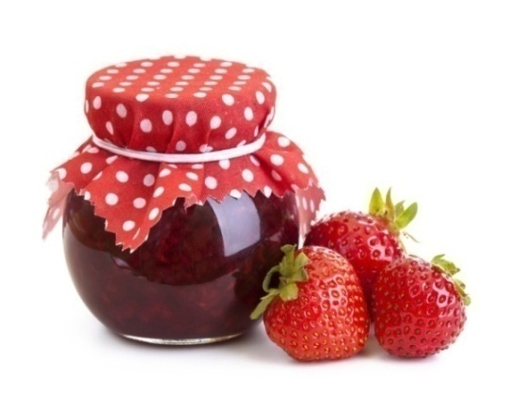
 |  |  | Version 1.0
...
Insert your own figures in the yellow boxes.
No information available, value has been "guesstimated".
...
For "fine tuning" the acid & pectin content of the jam.
...
 | Jammy!

Higher values lead to a better "set". Aim for at least a "Medium".
...
0 WEE
 |  | ALWAYS WORK ON A COPY OF THIS SPREADSHEET

The "Stone Factor" provides the "Useable Wt." of fruit flesh, this allows for stoned fruits & apples/pears being peeled & cores etc. It is not normally necessary to remove stones prior to making jam, just slice difficult fruit to allow the stones to be freed during boiling. Some fruits such as apricots, can be enhanced by cracking a few of the stones & adding the kernels to the boil.
The "Water Factor" is the amount of water to be added to the fruit.
The "Sugar Factor" determines the weight of sugar to be added.
Quantities quoted are by no means critical!
Paradoxically, pectin, the wine-makers enemy, is the jam-makers best friend. Under-ripe fruits have more pectin than ripe hence more sugar can be added, slightly more water may also be required.
High pectin/setting fruits, these can be used singly or combined with lower pectin content fruits include:-
Cooking & crab apples, blackcurrants, damsons, gooseberries, lemons, plums & redcurrants.
Medium pectin/setting fruits:-
Apricots, blackberries, raspberries & loganberries.
Low pectin/setting fruits:-
Cherries and strawberries.
Water quantities are not critical, if insufficient is initially used you can always add more, any excess will be "reduced" or boiled off.
The "TOTAL ACID" & "TOTAL PECTIN" content i.e. "High" is an indicator of the jam's setting quality.
Example - Damson Wine
Wash the fruit, discarding any bad bits & note the weight, "halve" the fruit & remove any loose stones. For every 500g ripe fruit add about 70ml water in a stainless steel pan (aluminium is not recommended as it can react with the acid & cause harmful compounds) & weigh out about 570g of sugar in a bowl, this may be pre-heated in a low oven (Gas mark 1/4, 110°C). The clean jam jars may be placed in the coolest part of the oven.
Simmer gently, stirring from time to time to prevent sticking & burning, until the fruit & skins are nice & tender.
Turn the pan heat to a minimum & gradually stir in the sugar, when this is dissolved bring the pan contents to a boil then boil rapidly until the "setting point" is reached, taking care not to burn the jam at the bottom of the pan, this problem can be reduced by making smaller quantities. Stirring is not required at this stage but any stones that rise to the surface can be carefully removed.
Allow to cool for 10-15 minutes before pouring into the jars, fill them to at least a centimetre from the top, this helps prevent moulds etc. forming. High sugar jams can be kept for up to a year, low sugar for only a few months. All should be eaten within a few weeks of opening.
The "setting point" occurs at about 105°C (220°F), test every 4 or 5 minutes. If you don't have a jam thermometer, take a sample of the jam with a clean wooden spoon, hold above the pan for about 5 seconds to cool slightly then tip it, allowing the jam to return to the pan. When "set" the jam will "flake" off the spoon rather than drip off. Be careful not to over-boil as the jam will then never set.
An alternative test is to drop a small amount of jam onto a clean plate, just removed from a refrigerator. Leave to cool for half to one minute before "pushing" the jam with a well-washed finger. If the jam has a skin that wrinkles, the jam has set, to prevent over-boiling, reduce the pan heat to a minimum during this test, if the jam stays runny and no skin is present, boil for a little longer before re-testing.
Sugar | Cooking
Factor | Time (min) | GENERAL NOTES
1 | 30
1 | 30
0.85 | 35
0.85 | 35
2 | 60+
1 | 30
1 | 20
1 | 25
1.25 | 35+
1 | 20
0.65 | 20+
0.65 | 20+
1.25 | 35
1.25 | 25+
1.5 | 25+
1 | 25
1 | 45
1.1 | 25+
1.1 | 25+
1 | 15+
0.75 | 15+
1.25
1 | 25+
1 | 25+
1 | 25+
1
1
1 | 15
1 | 20
1
1 | 25+
1 | 30
1 | 30
1 | 30+
1 | 30+
1
1
1 | 15
1 | 30
1 | 31
1 | 75+
1 | 30+
0.7
1 | 35
1 | 20+
1 | 20+
1 | 35
1 | 35+
1 | 35+
...
Sugar | Cooking
Factor | Time (min) | GENERAL NOTES
0.9 | 10
1.25 | 35+
1 | 25
1
0.875 | 10+ |  |  | 1
1
0.4
1.25 | 40
...

